Sheet1
BIKE IOT V2 BOM

Items | PRICE | QTY | REFERENCE IMAGES
PCB | 850 | 1 | 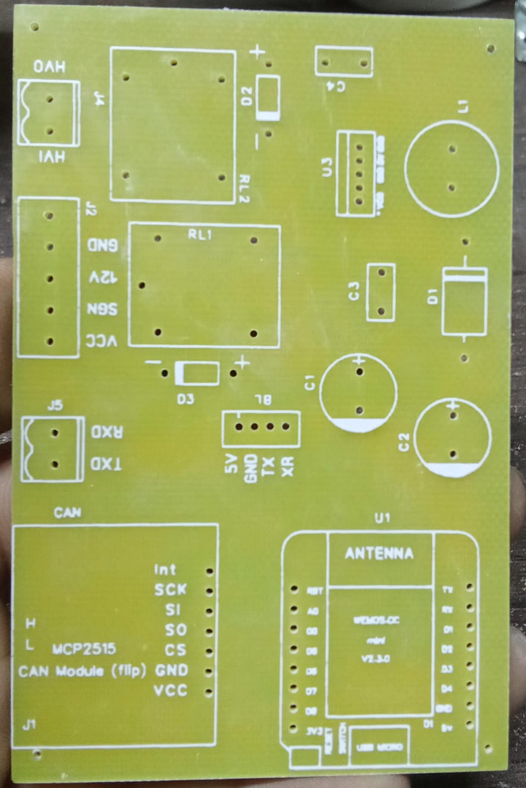 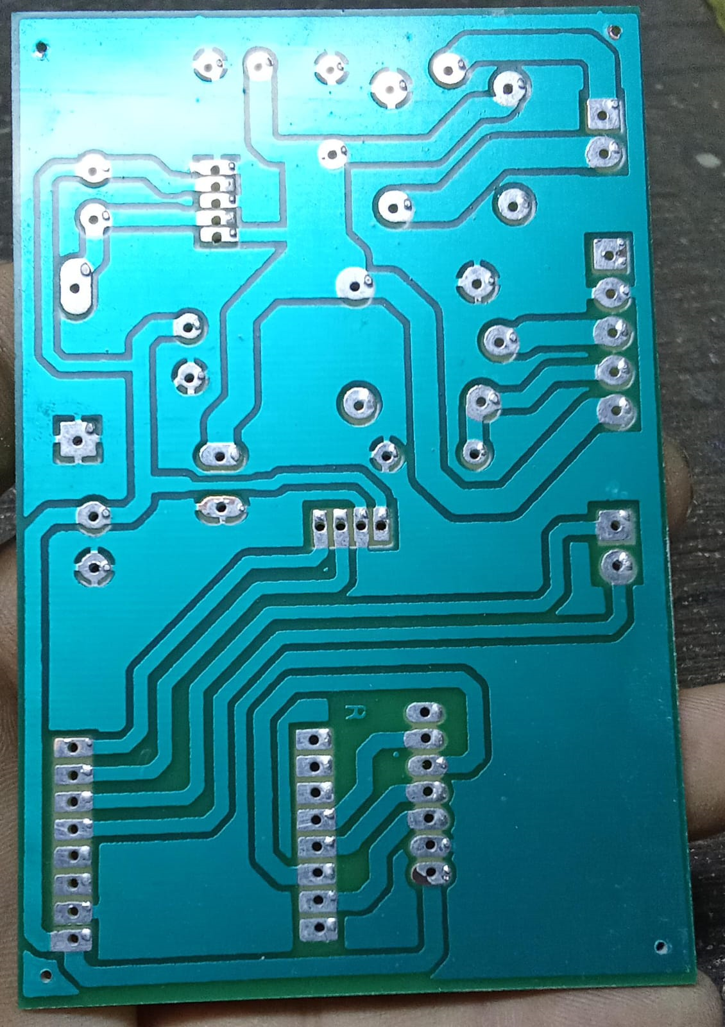
ESP8266 DI MINI | 570 | 1 | 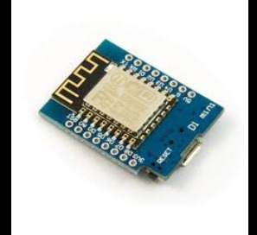
MCP2515 CAN MODULE | 470 | 1 | 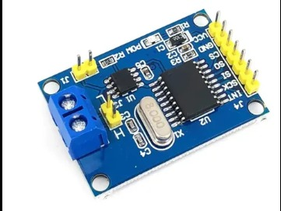
CAPACITORS(50V 470UF) | 20 | 2 | 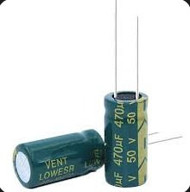
CERAMIC CAPACITORS(104NF) | 5 | 2 | 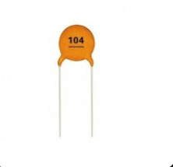
RELAYS(12V) | 70 | 2
DIODES (1N4007) | 5 | 2 | 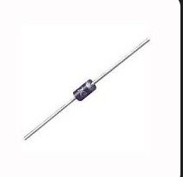
DIODE(1N5822) | 20 | 1
2PIN BLOCK TERMINALS | 25 | 2
4PIN BLOCK TERMINALS | 130 | 1
LM2576T(5V IC) | 300 | 1 | 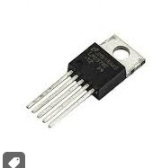
DELIVERY CHARGES | 250

TOTAL PRICE | RS=2840 |  | 